Ticket Requirements
Haddad Ticket Required (Yes/No) | Yes
Customer Ticket Required (Yes/No) | No

RFID FIELDS
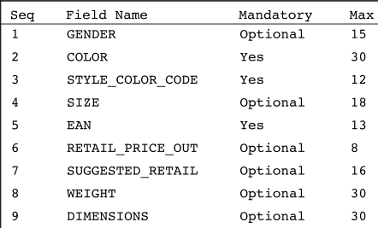

RFID TICKETS (HAD-RFID-12)
Newborn product will need dimensions on RFID sticker / Levis JokerTag/Matchbook) No Height / Weight
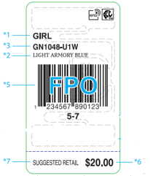

Hosiery Tickets (HAD-RFID-13)
Fabric content and Country of Origin must be on all hosiery /boxed sets/socks and underwear (any product that you cannot see the care label) No Gender
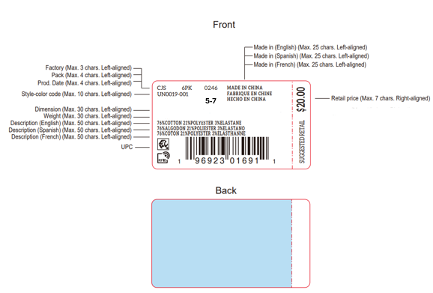

Newborn / Infant Tickets (HAD-RFID-12)
Weight and Inches are required.
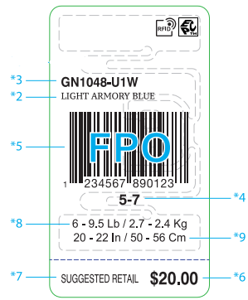

RFID for Levis Hangtag (Not JokerTag/Matchbook)
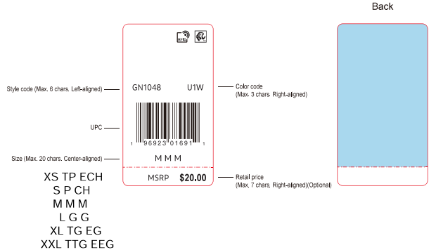

Accessories (No Gender)
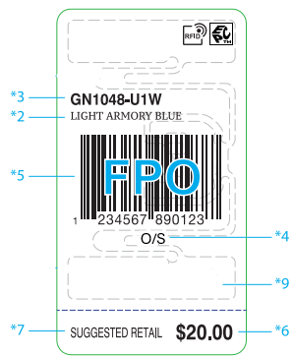

Ticket Placement Details
Category | Placement
TOPS | INJECT HANG TAG & PRICE TICKET BOTTOM OF WEARER’S L/SLV AT HTL
BOTTOMS | INJECT TAG & PRICE TICKET AT WEARER’S WAISTBAND LEFT SIDE SEAM
GIFT BOXES | PLACE STICKER TO LOWER RIGHT HAND CRNER AT BACK OF GIFT BOX
CAPS | SWIFT TAK THROUGH WEARER'S LEFT SIDE EYELET.

TOPS
Categories | Tops - Short Sleeve Tops, Long Sleeve Tops, Rompers, 1pc Bodysuit

Hangtag Placement | At left bottom sleeve in hangtag loop

Ecomm labels
Hanger Required | No
Polybag | Individual Polybag
Misc Instructions | Hangtag/UPC sticker must be face up and visible through the polybag
Photo Examples | 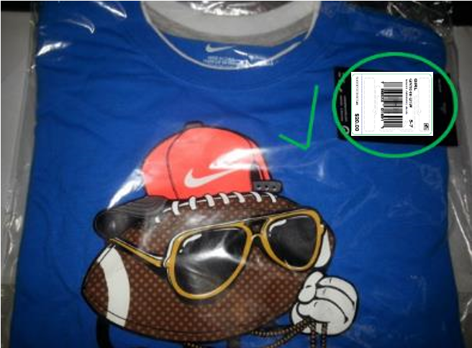

BOTTOMS
Categories | Bottoms - Pants, Shorts, Skirts, Boys Swimsuits/Boardshorts

Ecomm labels
Hanger Required | No
Polybag | Individual Polybag
Misc Instructions | Hangtag/UPC sticker must be face up and visible through the polybag
Photo Examples | 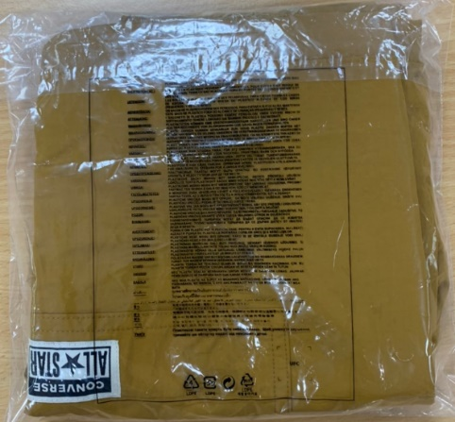 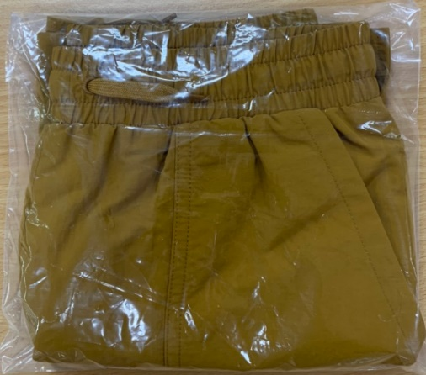 

Ecomm labels ( Levis Denim/Twill)
Hanger Required | No
Polybag | Individual Polybag
Misc Instructions | Hangtag/UPC sticker must be face up and visible through the polybag
Photo Examples | 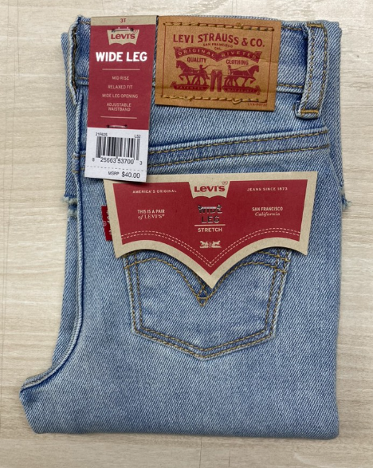 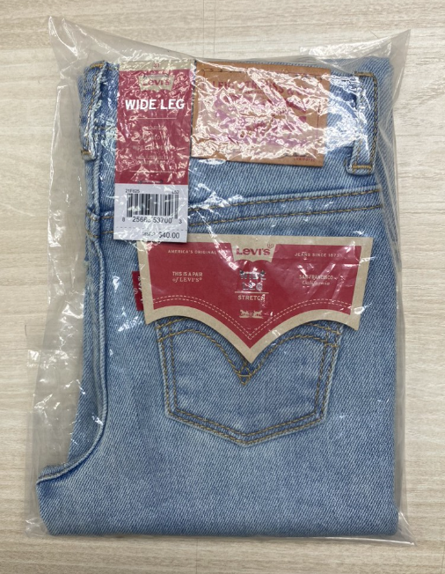

COVERALLS
Categories | Multi-pack Bodysuits (Coveralls)

Hangtag Placement | At left bottom sleeve in hang tag loop

Ecomm labels
Hanger Required | Yes Bodysuits such as 3pc creepers should include a hanger.
Size Range | Newborn |  | Infant | Toddler | 4-6x and 4/7 | 7-16 and 8-20
Sizes | 0-3 | 6-9 | 12-24 | 2T-4T | 4-6x and 4/7 | 7-16 and 8-20
Hanger Type for 2pc Creepers | 4652B | 1572B | 2262B
Hanger Type for 3pc Creepers | 4853B | 4953B | 4963B
Hanger Type for 4pc Creepers | 4854B | 4954B
Hanger Type for 5pc Creepers | 4855B | 4955B | 4965B
Polybag | Individual Polybag. Hanger should not be exposed through the polybag
Misc Instructions | Hangtag/UPC sticker must be face up and visible through the polybag.
Photo Examples | Bodysuit Set - Front View
 | 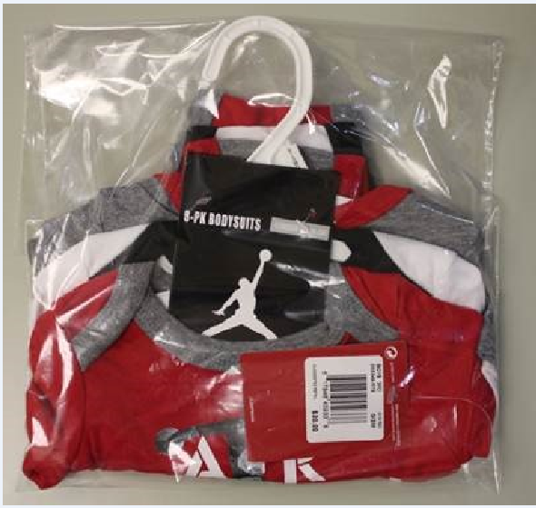

SETS
Categories | Sets - 2pc sets, 3pc sets, Swim Sets
Misc Note | For multi-pack bodysuits, see BODYSUITS section

Hangtag Placement | At left bottom sleeve in hang tag loop

Ecomm labels
Hanger Required | No
Polybag | Individual Polybag
Misc Instructions | Hangtag/UPC sticker must be face up and visible through the polybag
Photo Examples | Polybagged with UPC face up
 | 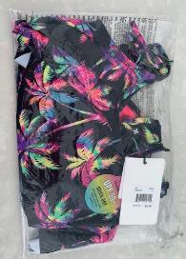 | 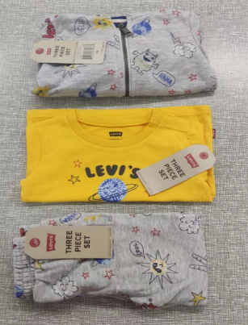 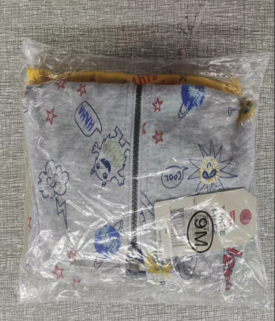

OUTERWEAR
Categories | Outerwear

Hangtag Placement | At left bottom sleeve in hang tag loop

Ecomm labels
Hanger Required | No
Polybag | Individual Polybag
Misc Instructions | Hangtag/UPC sticker must be face up and visible through the polybag. Outerwear should be pushed down in the carton just enough to remove the air and save a few inches at the top of the carton.
Photo Examples | 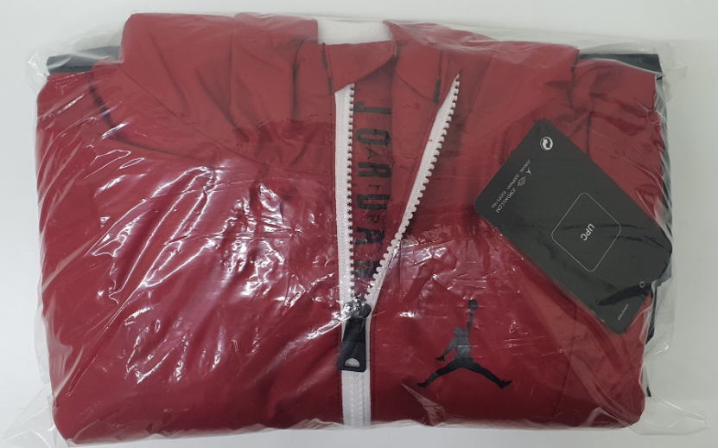 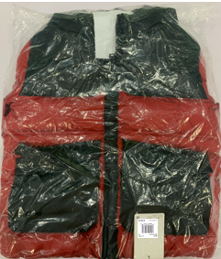

1 PC SWIMWEAR
Categories | Girls 1 Piece Swimwear

Notes | For boys swimwear, see section for bottoms

Hangtag Placement | Tops: at left armhole in hang tag loop / Bottoms: at left side of waistband

Ecomm labels
Hanger Required | No
Polybag | Individual Polybag
Misc Instructions | Hangtag/UPC sticker must be face up and visible through the polybag
Photo Examples | 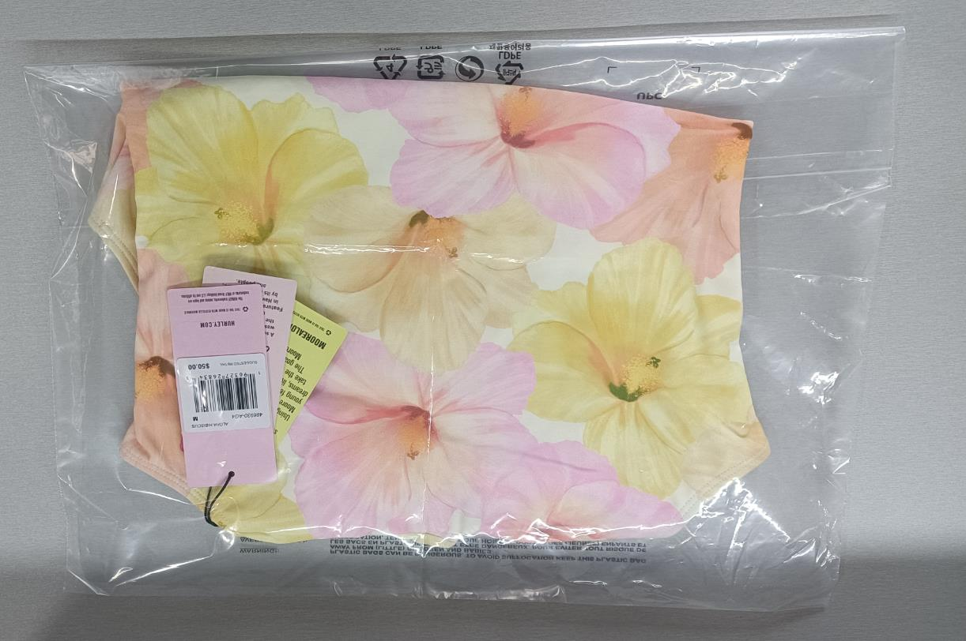 | 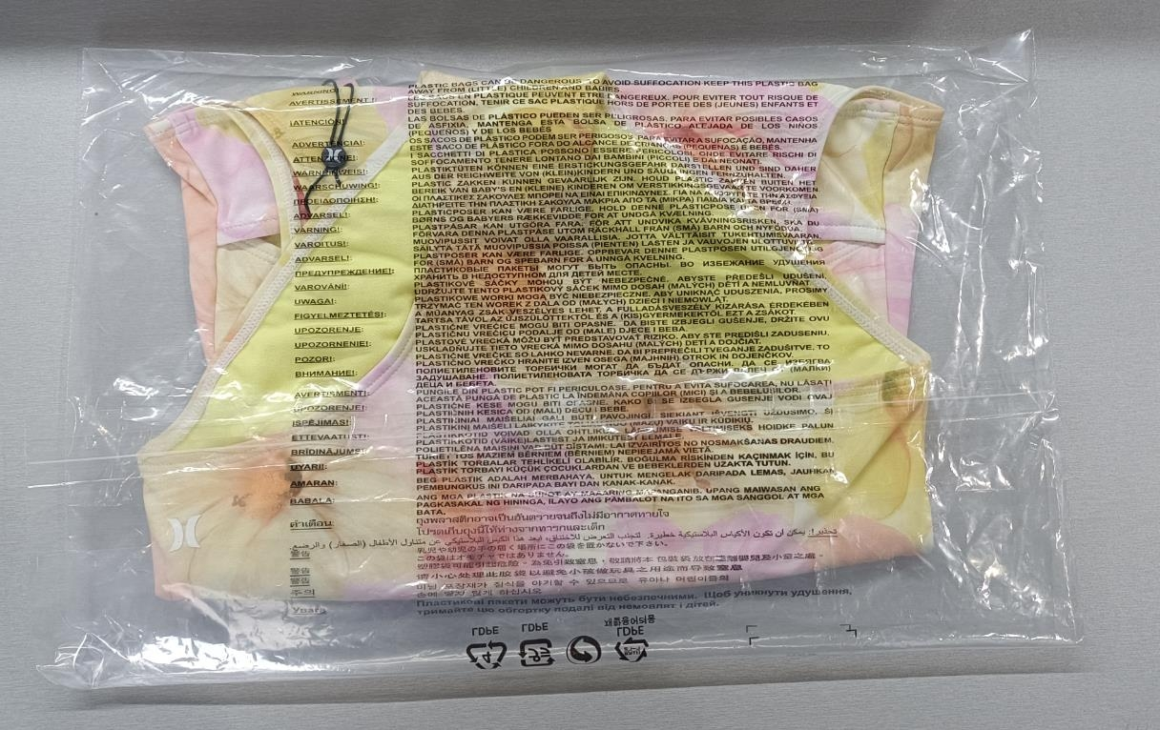

2-3 PC SWIMWEAR
Categories | Girls 2-3 Piece Swimwear

Notes | For boys swimwear, see section for bottoms

Hangtag Placement | Tops: at left armhole in hang tag loop / Bottoms: at left side of waistband

Ecomm labels
Hanger Required | No
Polybag | Individual Polybag
Misc Instructions | Hangtag/UPC sticker must be face up and visible through the polybag
Photo Examples | 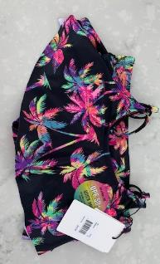

BOX SETS
Categories | Box Sets

Boxed Sets, Bootie Sets
Misc Instructions | POLYBAGS NEEDED
Hanger Required | No
Polybag | YES-INDIVIDUAL POLYBAG
Photo Examples | 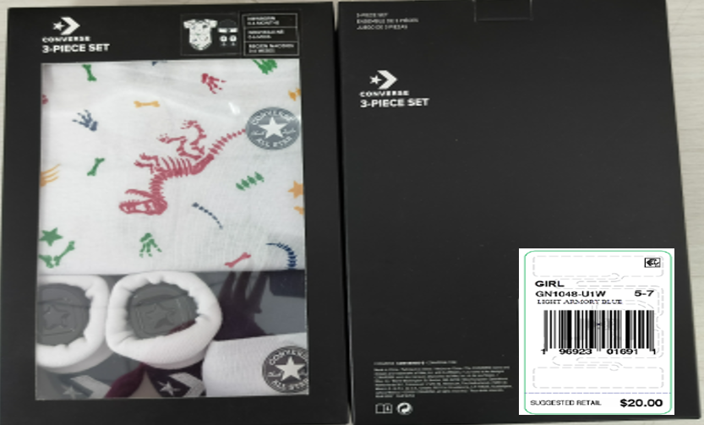

HOSIERY
Categories | Hosiery

Bibs, Socks

Ecomm labels
Hanger Required | No
Polybag | Individual Polybag
Misc Instructions | Hangtag/UPC sticker must be face up and visible through the polybag
Photo Examples | 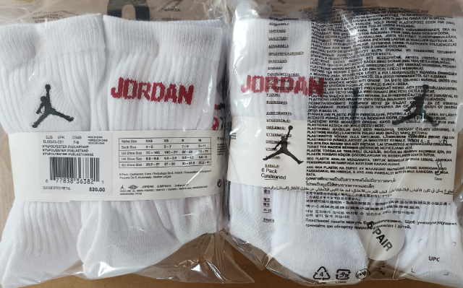

COLD WEATHER
Categories | Hats

Beanie, Glove & Beanie, Mittens, Caps, Scarves
Hanger Required | No
Hangtag Placement | Place through "J" Hook
Polybag | Yes
Ecomm labels
Hanger Required | No
Polybag | Individual Polybag
Misc Instructions | Hangtag/UPC sticker must be face up and visible through the polybag
Photo Examples | 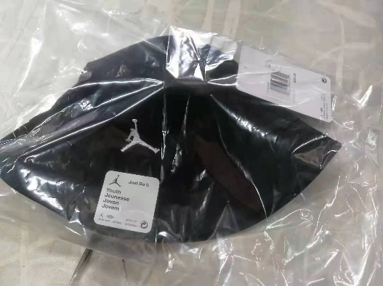 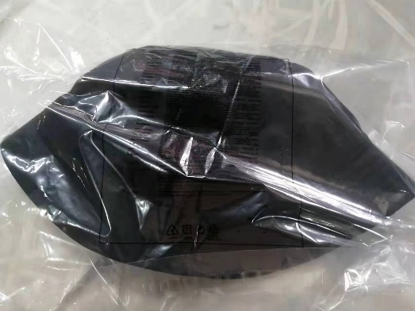

BAGS
Categories | Bags

Hangtag Placement | Should be applied with a loop swift tag through the top handle

Hanger Required | No
Polybag | Yes

Misc Instructions | Backpacks require individual polybags.
Photo Examples | 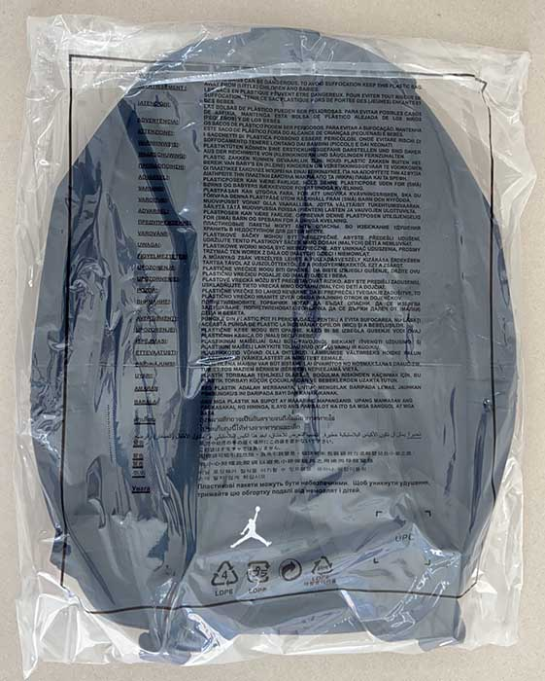 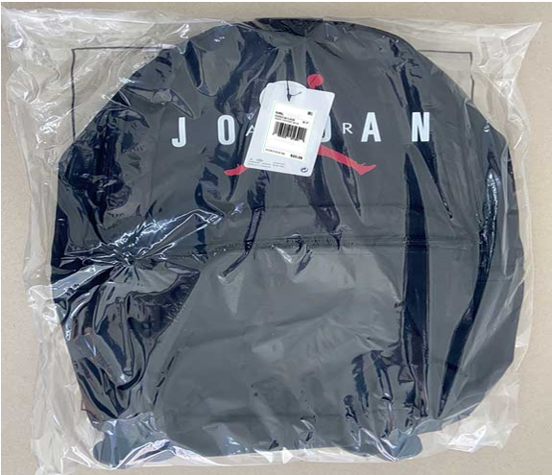

PACKING
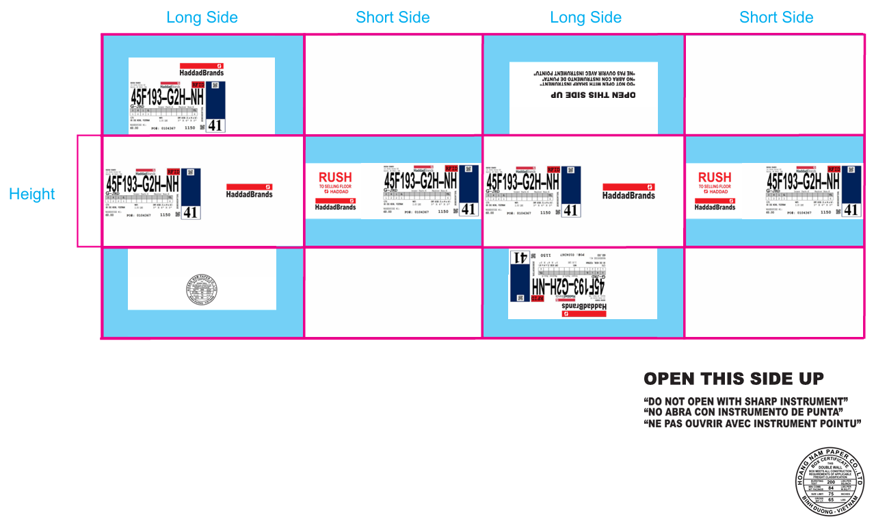
Carton Requirements
Min Measurements: L6 X W6 X H3"
Max Measurements: L30 X W23 X H18"
Min Weight: 2 LBS
Max Weight: 35 LBS

